Relationship Responses
Respondent Relationship To Evergreen State College
2024-06-05
 | Relationship | Responses | Completions | Rate
 | Current Student | 509 | 387 | 76.03143418
 | Prospective Student | 319 | 227 | 71.15987461
 | Parent | 17 | 11 | 64.70588235
 | Alumni | 70 | N/A
 | Faculty / Staff | 34 | N/A
 | Other | 75 | N/A

 | Total Responses | Total Completions | Rate
 | 845 | 625 | 73.96449704

Respondents Who Completed Survey

All Respondents Charts
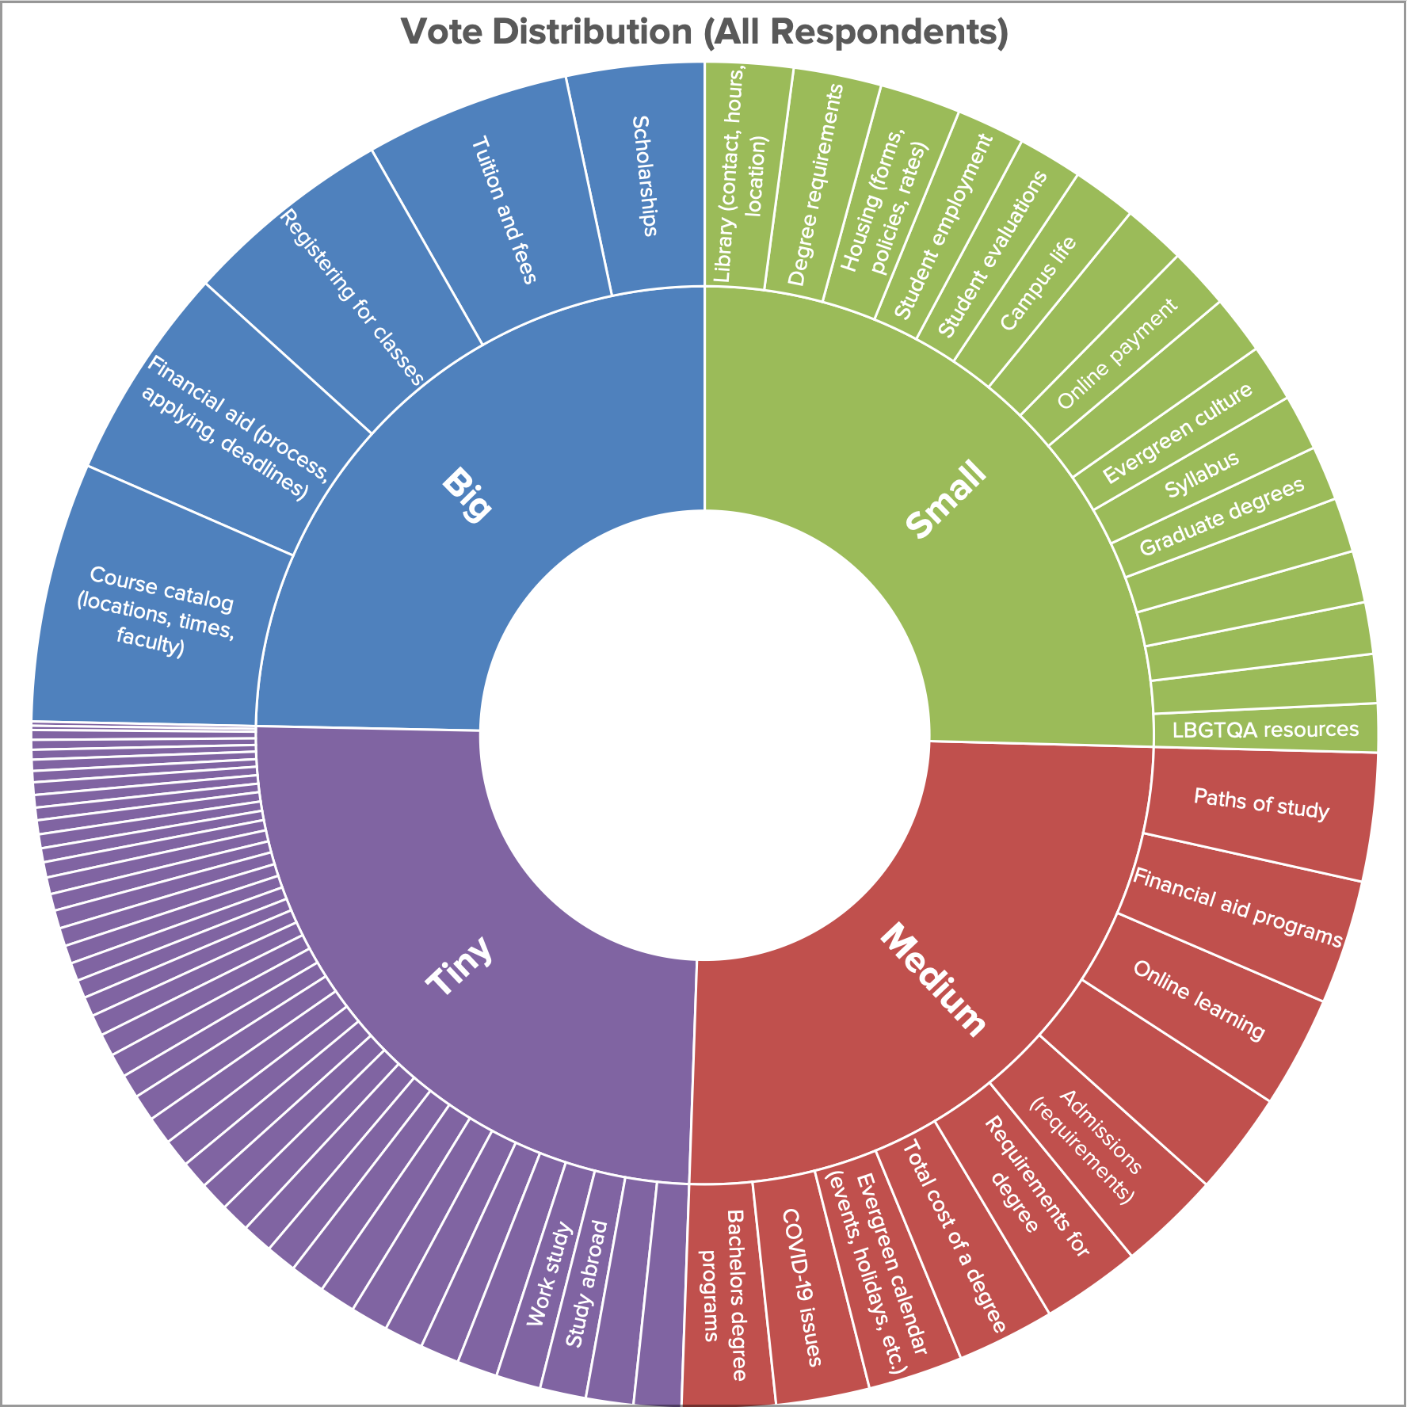
Total Votes By Category (All Respondents)
Normalized By Category (All Respondents)

Academics | 1093 | Costs | 75
Costs | 679 | Academics | 46
Admissions | 361 | Admissions | 33
Campus Life | 329 | Campus Life | 33
Campus Locations | 144 | Non-Academic Resources | 25
Non-Academic Resources | 201 | Campus Locations | 24
About Evergreen | 180 | About Evergreen | 23

Votes Per Task (All Respondents)

Current Student Charts
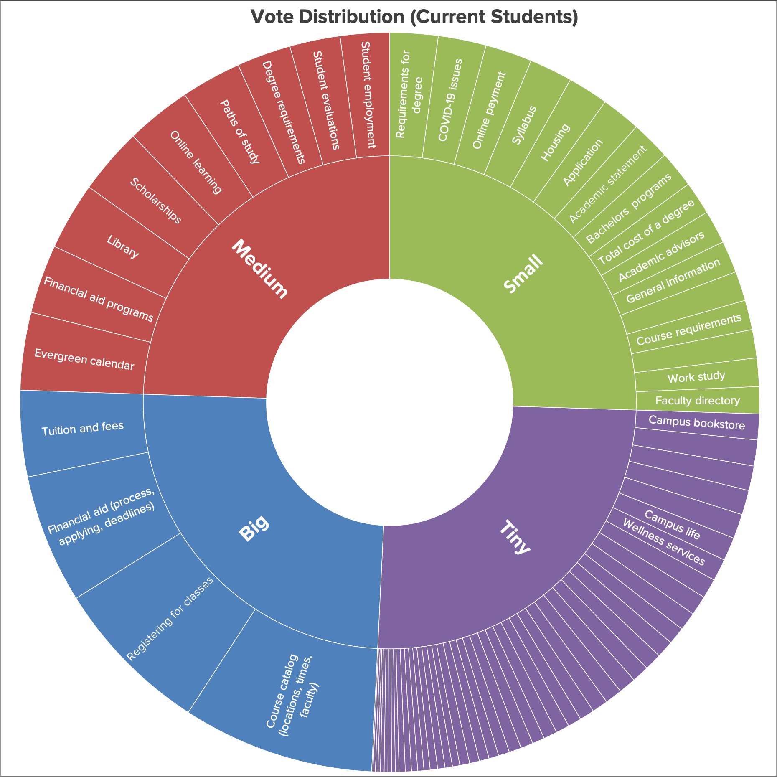
Total Votes By Category (Current Students)
Normalized Votes By Category (Current Students)

Costs | 44
Academics | 33
Campus Life | 20
Campus Locations | 20
Non-Academic Resources | 16
Admissions | 15
About Evergreen | 9

Total Votes Per Task (Current Students)

Prospective Student Charts
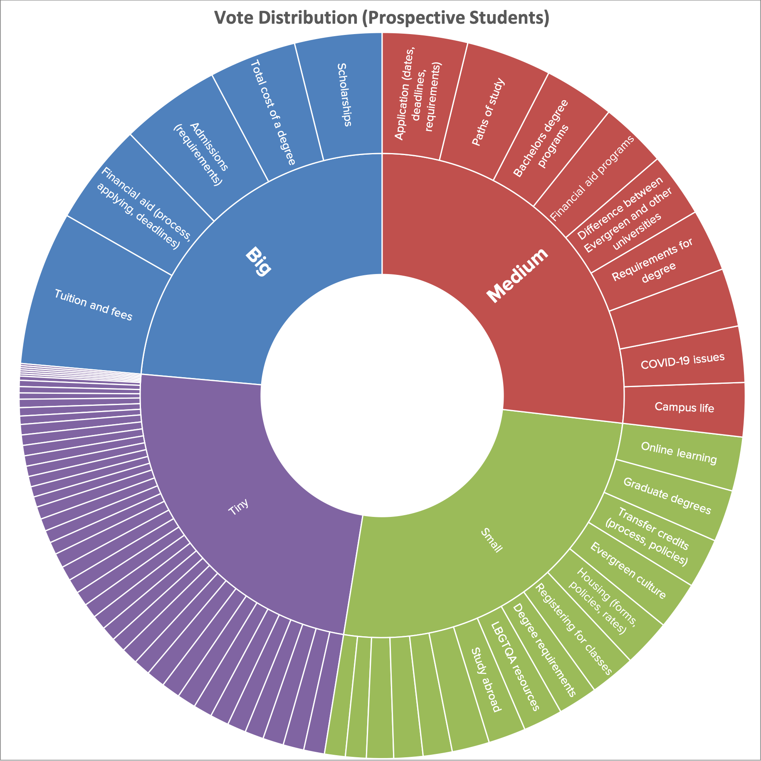
Total Votes By Category (Prospective Students)
Normalized Votes By Category (Prospective Students)

Costs | 30
Admissions | 17
About Evergreen | 13
Academics | 12
Campus Life | 12
Non-Academic Resources | 9
Campus Locations | 4

Total Votes Per Task (Prospective Students)

